Create new Subscribr Popup
Create Subscriber Popup

Current-Subscriber.html |  | Create Subscriber Pop Up

Section 1: Functional Essay

The subscriber administration page lists all users who are subscribed to each module and their usage history.

Section 2: Table Structure

CXS_SUBSCRIBERS

SUBSCRIBER_ID |  | NUMBER
USER_ID |  | NUMBER | Foreign key to CXS_USERS
FIRST_NAME |  | VARCHAR2(240)
MIDDLE_INITIAL |  | VARCHAR2(40)
LAST_NAME |  | VACHAR2(240)
CREATION_DATE |  | DATE
LAST_UPDATE_DATE |  | DATE
CREATED_BY |  | NUMBER
LAST_UDPATED_BY |  | NUMBER
START_DATE |  | DATE
END_DATE |  | DATE

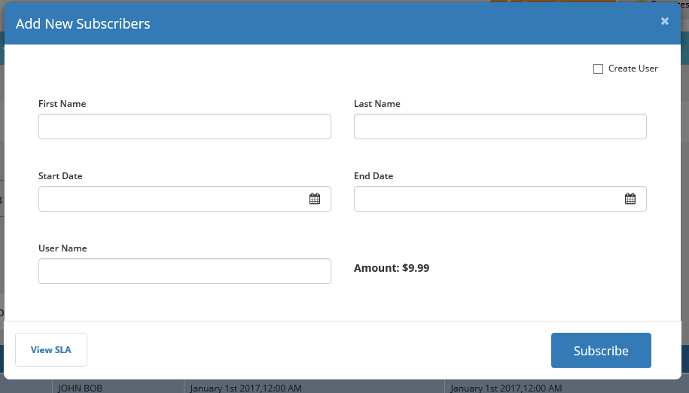

 | Functional Description.

1 | CREATE USER CHECKBOX

 | When this checkbox is checked
 | The username field becomes a required yellow field
 | User must supply the USERNAME value that is unique
 | When this checkbox is NOT checked
 | The username field is grayed out and disabled.
 | User does not need to supply any value.

2 | WHAT HAPPENS WHEN SUBSCRIBE Button is clicked
 | Following validation and record creation should happen
 | a) First check whether the Create User is checked
 | b) If it is checked, then check, user name field is populated with a Username
 | c) If value is populated then check, Username meets following naming conventions
 |  | USERNAME must accept only values in UPPERCASE. Spaces are not allowed in Username
 | d)Then check if this USERNAME is already taken or exist in database. If it exists then display following error on the screen
 |  | "This username is taken, Please enter a different username"
 | e) After all above validations are successful, create a user ID record in database by populating following tables. In the order mentioned below.
 |  | CXS_USERS
 |  | CXS_APPLICATION_ASSIGMENTS
 | f) After all above validations are successful, create a subscriber record in CXS_SUBSCRIBER table.
 | g) Clear Popup for a new entry.
 | h) When Popup is closed, it shoudl refresh the data grid on main data grid page

3 | FROM WHERE THE AMOUNT WILL COME FROM?

 | It will come from admin panel.
 | Thsi is pending design items

Subscriber Administration Data
SUBSCRIBER ADMINISTRATION DATA GRID

Current-Subscriber.html |  | Create Subscriber Pop Up

Section 1: Functional Essay

The subscriber administration data grid will display all subscribers existing in the system

Section 2: Table Structure

Following table will be used to read data and dump to data grid
 | CXS_SUBSCRIBERS

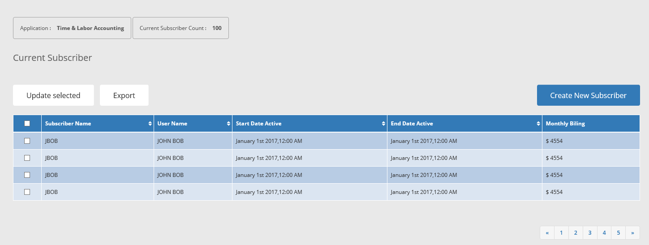

1 | DISPLAY ONLY FIELD
 | Application: Will display application drop down from CXS_APPLICATIONS
 | Current Subscriber Count: Will display total number of subscribers by application

2 | UPDATE SELECTED BUTTON

 | When Update Selected button is clicked, it should do following.

 | 1. Allow only those records in the data grid that has check box checked.
 | 2. Only checked check boxes record in data grid qualify for edits.
 | 3. When records are selected for update, and the button is clicked, it shoudl make all fields editable
 | 4. If the main checkbox in grid header row is selected, that meansd it should select all rows that is dispalyed on that page and make entire grid page editable.
 | 5. After update , click "SAVE" button to Save
 | 6. Update activity will update Last Updated By and Last Update Date information in columns LAST_UPDATED_BY and LAST_UPDATE_DATE respectively.

3 | EXPORT BUTTON

 | When Export button is clicked, following should happen

 | 1. Only checked records in the data grid will be exported
 | 2. If all records are checked then all records will be exported
 | 3. The export file must be an excel file.

4 | BEHAVIOR OF EYE ICON

 | When eye icon for each grid is clicked, it should show following information for EACH record.
 | Creation Date: Update from CREATION_DATE
 | Created By: Update from CREATED_BY
 | Last Update Date: Update from LAST_UPDATED_DATE
 | Updated By: Update from LAST_UPDTED_BY

5 | WHAT SHOULD HAPPEN WHEN A RECORD IS CLICKED IN A GRID

 | Open a displayed only popup showing the clicked record in a popup form format.
 | You can use the same pop up under "Create User" button, but the entire form should be display only

